Iran, FS
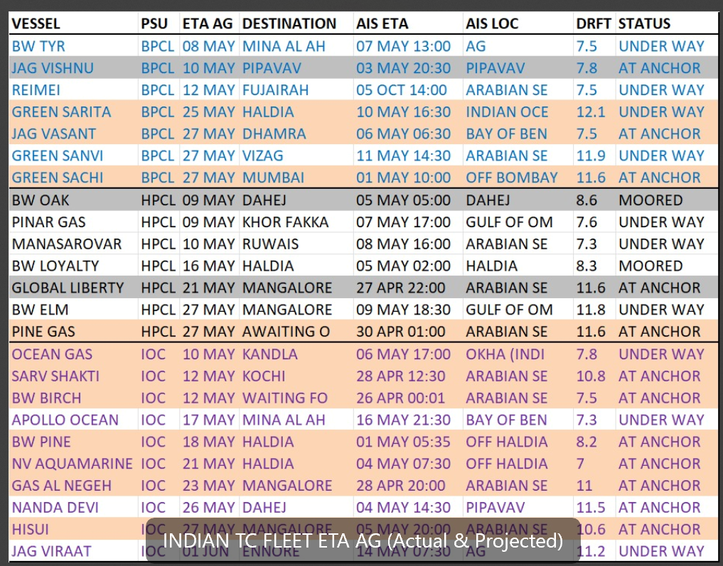
Vessel | BLT | CBM | IMO | Disponent | Operator | Previous name | Floating Storage | Actual control | Area | AIS Location | Date | Status | TC Expiry | DD | Panama Fitted | Scrubber/Dual Fuel | Position | OpenFrom | OpenTo | Relet? | Notes: | Next loading: | Current Voyage | Edited by: | Updated |  |  |  |  | ETA AG | ETA USG (P) | ETA USG (S) | ETA USG1 | ETA USG2 | ETA WAF | ETA WAF1 | ETA WAF2 | ETA Bethouia | ETA Bethioua | ETA Bethioua | ETA WEST'PORT | ETA WEST'PORT 1 | ETA WEST'PORT 2 | ETA DARWIN | ETA DARWIN1 | ETA DARWIN2 | ETA S'PORE | ETA SPORE1 | ETA SPORE2 | ETA P.Rupert | ETA P. Rupert 1 | ETA P. Rupert 2 | ETA Bonython | ETA Bonython | ETA Bonython
INDIA - Shuttle between AG and India. (Update AG line up) |  |  |  |  |  |  |  |  |  |  |  |  |  |  |  |  |  |  |  |  | dd |  |  | #NAME?
Jag Vishnu | 2002-12-01 | 79514 |  | BPCL | K Line |  |  |  | #N/A | #N/A | #N/A | #N/A | 2023-11-01 | 2020-08-20 | P |  | ECI | 2024-04-24 | 2024-04-25 |  |  |  |  |  |  |  |  |  |  | 03-04 May |  | 30-31 May | 2024-05-30 | 2024-05-31 | 15-16 May | 2024-05-15 | 2024-05-16 | 22-23 May | 2024-05-22 | 2024-05-23 | 24-25 Apr | 2024-04-24 | 2024-04-25
BW Lord | 2008-09-01 | 83800 |  | BPCL | BPCL |  |  |  | #N/A | #N/A | #N/A | #N/A | 2023-11-01 | 2021-09-01 | P |  | WCI | 2024-04-28 | 2024-04-29 |  |  |  |  |  |  |  |  |  |  | 03-04 May |  | 30-31 May | 2024-05-30 | 2024-05-31 | 17-18 May | 2024-05-17 | 2024-05-18 | 11-12 May | 2024-05-11 | 2024-05-12
Jag Vasant | 2006-12-01 | 83000 |  | BPCL | Great Eastern Shipping Co |  |  |  | #N/A | 9307750 | Mumbai | 54,450 | 2023-10-01 | 2020-11-21 |  |  | loads AG | 2024-04-11 | 2024-04-12 |  |  |  |  |  |  |  |  |  |  | 11-12 Apr |  |  |  |  |  |  |  |  |  |  |  |  |  | 30-01 May | 2024-04-30 | 2024-05-01
Sogl | 2001-08-15 | 84333 |  | BPCL | Varun Shipping | Mareena Gas | TC to IOC Aug 24 2 yr |  | #N/A | 9208227 | Guangzhou | #N/A | 2023-10-02 | 2020-11-22 |  |  | loads AG | 2024-04-12 | 2024-04-13 |  |  |  |  |  |  |  |  |  |  | 12-13 Apr |  |  |  |  |  |  |  |  |  |  |  |  |  | 01-02 May | 2024-05-01 | 2024-05-02
Green Sanvi | 2009 | 82521 |  | BPCL |  | Ex Kobai | TC to BPCL Dec 2026 |  | #N/A | 9415686 | Mundra | 58,811 | 2023-10-03 | 2020-11-23 |  |  | loads AG | 2024-04-13 | 2024-04-14 |  |  |  |  |  |  | 2024-12-12 | 2024-12-13
Green Sarita | 2008-07-01 | 82500 |  | BPCL | Helios LPG Pool |  |  |  | #N/A | 9351919 |  | 58,690 |  | 2022-01-01 | P |  | loads AG | 2024-05-01 | 2024-05-02 |  |  |  |  |  |  |  |  |  |  | 01-02 May |  |  |  |  |  |  |  |  |  |  |  |  |  | 20-21 May | 2024-05-20 | 2024-05-21
Green Sachi | 2010-03-23 | 82521 |  |  |  | Yamabuki
NV Sunshine | 2007-12-01 | 83800 |  | HPCL | Nhat Viet |  |  |  | #N/A | 9350288 | Fujairah | 54,975 |  |  | P |  |  | Sharjah Anchorage | 2024-06-03 |  | Iran Ship
BW Elm | 2007-10-01 | 82000 |  | HPCL | BW LPG |  |  |  | #N/A | 9320752 |  | 58,136 | 2023-09-01 | 2020-11-01 | P |  | WCI | 2024-04-26 | 2024-04-27 |  |  |  |  |  |  |  |  |  |  | 01-02 May |  | 28-29 May | 2024-05-28 | 2024-05-29 | 15-16 May | 2024-05-15 | 2024-05-16 | 09-10 May | 2024-05-09 | 2024-05-10
BW Tyr | 2008-03-01 | 82000 |  | HPCL | BW LPG |  |  |  | #N/A | 9346122 |  | 50,700 | 2023-10-01 |  | P |  | ECI | 2024-04-26 | 2024-04-27 |  |  |  |  |  |  |  |  |  |  | 05-06 May |  | 01-02 Jun | 2024-06-01 | 2024-06-02 | 17-18 May | 2024-05-17 | 2024-05-18 | 24-25 May | 2024-05-24 | 2024-05-25 | 26-27 Apr | 2024-04-26 | 2024-04-27
BW Loyalty | 2008-01-01 | 83,800 |  | P |  |  |  |  | BW | BW LPG | NO AIS | ECI | 2025-05-05 | 2025-05-07 | O? | HC: Is she on TC to Indians? |  |  | HC | 2025-04-28 | No AIS |  |  | loaded | 14-16 May | 10-12 Jun | 26-28 May | 02-04 Jun |  |  | 2025-05-14 |  |  | 10-12 Jun | 2025-06-10 | 2025-06-12 | 26-28 May | 2025-05-26 | 2025-05-28 | 02-04 Jun | 2025-06-02 | 2025-06-04 | 05-07 May | 2025-05-05 | 2025-05-07 |  |  |  |  |  |  |  |  |  |  |  | 12-14 Jun | 2025-06-12 | 2025-06-14
BW Cedar | 2007-07-01 | 82000 |  | HPCL | BW LPG |  |  |  | #N/A | #N/A | #N/A | #N/A | - | 2022-05-01 | P |  | ECI | 2024-04-21 | 2024-04-22 |  |  |  |  |  |  |  |  |  |  | 30-01 May |  | 27-28 May | 2024-05-27 | 2024-05-28 | 12-13 May | 2024-05-12 | 2024-05-13 | 19-20 May | 2024-05-19 | 2024-05-20 | 21-22 Apr | 2024-04-21 | 2024-04-22
Manasarovar | 2009 | 84597 |  | HPCL | Avance Gas |  |  |  | #N/A | 9354935 |  | 54,634 | 2023-10-01 | 2021-11-01 | P |  | ECI | 2024-03-18 | 2024-03-19 |  |  | SOLD TO Foresight |  |  |  |  |  |  |  | 27-28 Mar |  | 23-24 Apr | 2024-04-23 | 2024-04-24 | 08-09 Apr | 2024-04-08 | 2024-04-09 | 15-16 Apr | 2024-04-15 | 2024-04-16 | 18-19 Mar | 2024-03-18 | 2024-03-19
BW Oak | 2008-01-01 | 82000 |  | HPCL | BW LPG |  |  |  | #N/A | 9320764 | Kandla | 58,159 | 2023-10-01 | 2020-06-01 | P |  | ECI | 2024-04-30 | 2024-05-01 |  |  |  |  |  |  |  |  |  |  | 09-10 May |  | 05-06 Jun | 2024-06-05 | 2024-06-06 | 21-22 May | 2024-05-21 | 2024-05-22 | 28-29 May | 2024-05-28 | 2024-05-29 | 30-01 May | 2024-04-30 | 2024-05-01
Gas Al Negeh | 2007 | 82,000 |  | X | D |  | LT |  | Neptune | KOTC | Update | ECI | 2025-05-15 | 2025-05-20 |  | On TC to IOC swaps with GAK II |  |  | MSH | 2025-05-06 | AG | Fujairah | 2026-04-20 15:00:00 | ballast | 24-29 May | 20-25 Jun | 05-10 Jun | 12-17 Jun |  |  | 2025-05-24 |  |  | 20-25 Jun | 2025-06-20 | 2025-06-25 | 05-10 Jun | 2025-06-05 | 2025-06-10 | 12-17 Jun | 2025-06-12 | 2025-06-17 | 15-20 May | 2025-05-15 | 2025-05-20 |  |  |  |  |  |  |  |  |  |  |  | 22-27 Jun | 2025-06-22 | 2025-06-27
Apollo Ocean | 2010-07-01 | 78908 |  | IOC | VIETMY TRANS | Ex Pansy |  |  | #N/A | 9423322 | Advario Oman | 49,999 |  |  | P
BW Birch | 2007-09-01 | 82000 |  | IOC | BW LPG |  |  |  | #N/A | 9320740 | Ruwais Refinery | 58,124 | 2026-08-01 | 2020-09-01 | P |  | WCI | 2024-04-28 | 2024-04-29 |  |  |  |  |  |  |  |  |  |  | 03-04 May |  | 30-31 May | 2024-05-30 | 2024-05-31 | 17-18 May | 2024-05-17 | 2024-05-18 | 11-12 May | 2024-05-11 | 2024-05-12
Pinar Gas | 2008-04-01 | 82,000 |  | P |  |  | 14 knots only |  | Wirana | Wirana | Update | loads AG | 2025-01-26 | 2025-01-27 |  | TC to IOC |  | IOC TC |  |  | AG | Ruwais Refinery | 2026-04-21 12:29:59 | ballast | 26-27 Jan |  |  |  |  | 14-15 Feb | 2025-01-26 |  |  |  |  |  |  |  |  |  |  |  |  |  |  | 14-15 Feb | 2025-02-14 | 2025-02-15
Pine Gas | 2006 | 80701 |  | IOC | 2020-03-02 |  |  |  | #N/A | 9315680 | Qatar | 58,691 | 2023-10-01 | 2020-03-02 | P |  | loads AG | 2024-04-24 | 2024-04-25 |  |  |  |  |  |  |  |  |  |  | 24-25 Apr |  |  |  |  |  |  |  |  |  |  |  |  |  | 13-14 May | 2024-05-13 | 2024-05-14
Gas Al Kuwait Ii | 2007 | 82000 |  | IOC |  |  |  |  | #N/A | 9329710 | Fujairah | 57,738 | 2025-10-01
Reimei | 2007-12-21 | 80000 |  | IOC | Phoenix Tankers |  |  |  | #N/A | 9377793 | Porbandar | 53,100 | 2024-04-01 | 2020-07-19 | P |  | loads AG | 2024-04-22 | 2024-04-23 |  |  |  |  |  |  |  |  |  |  | 22-23 Apr |  |  |  |  |  |  |  |  |  |  |  |  |  | 11-12 May | 2024-05-11 | 2024-05-12
Brizo | 2003-01-01 | 82557 |  | IOC | Avance Gas |  |  |  | #N/A | 9238284 |  | 53,677 | - | Q3 20 | P |  | loads AG | 2024-04-26 | 2024-04-27 |  |  |  |  |  |  |  |  |  |  | 26-27 Apr |  |  |  |  |  |  |  |  |  |  |  |  |  | 15-16 May | 2024-05-15 | 2024-05-16
Hisui | 2010-01-30 | 80199 |  | IOC | Helios LPG Pool |  |  |  | #N/A | 9405875 | IOC Haldia Refinery | 53,012 | 2025-07-01 | 2020-04-20 | P |  | ECI | 2024-04-22 | 2024-04-23 |  |  |  |  |  |  |  |  |  |  | 01-02 May |  | 28-29 May | 2024-05-28 | 2024-05-29 | 13-14 May | 2024-05-13 | 2024-05-14 | 20-21 May | 2024-05-20 | 2024-05-21 | 22-23 Apr | 2024-04-22 | 2024-04-23
Nanda Devi | 2001-09-01 | 81960 |  | IOC | Shipping Corporation of India |  |  |  | #N/A | 9232503 | Oman | 53,503 | 2024-02-01 | 2019-08-19 | P |  | WCI | 2024-04-21 | 2024-04-22 |  |  |  |  |  |  |  |  |  |  | 26-27 Apr |  | 23-24 May | 2024-05-23 | 2024-05-24 | 10-11 May | 2024-05-10 | 2024-05-11 | 04-05 May | 2024-05-04 | 2024-05-05
Nv Aquamarine | 2006-06-01 | 83000 |  | IOC | NHAT VIET TRANSPORTATION CORPORATION |  |  | F Gas | #N/A | 9307736 | Oiltank. Merak | 54,490 |  |  | P |  |  | Sharjah Anchorage | 2024-05-25 |  | Iran Ship
BW Pine | 2011-03-30 | 80000 |  | IOC | BW LPG |  |  |  | #N/A | 9479929 |  | 53,028 | 2023-12-01 |  | P |  | ECI | 2024-06-22 | 2024-06-23 |  |  |  |  |  |  |  |  |  |  | 01-02 Jul |  | 28-29 Jul | 2024-07-28 | 2024-07-29 | 13-14 Jul | 2024-07-13 | 2024-07-14 | 20-21 Jul | 2024-07-20 | 2024-07-21 | 22-23 Jun | 2024-06-22 | 2024-06-23
Sarv Shakti | 2008 | 84,597 |  | P | D | 2021-07-01 | 45870 |  | Swisschem | Avance Gas | NO AIS | WCI | 2025-05-05 | 2025-05-07 |  | IOC TC |  |  | HC | 2025-04-18 |  |  |  | floatingStorage | 10-12 May | 06-08 Jun | 24-26 May | 18-20 May |  |  | 2025-05-10 |  |  | 06-08 Jun | 2025-06-06 | 2025-06-08 | 24-26 May | 2025-05-24 | 2025-05-26 | 18-20 May | 2025-05-18 | 2025-05-20
Jag Viraat | 2007-06-30 | 83000 |  | IOC | Great Eastern Shipping Co |  |  |  | #N/A | 9307762 | IOC Haldia Refinery | 54,490 | 2024-02-01 | 2020-07-22 | P |  | loads AG | 2024-04-22 | 2024-04-23 |  |  |  |  |  |  |  |  |  |  | 22-23 Apr |  |  |  |  |  |  |  |  |  |  |  |  |  | 11-12 May | 2024-05-11 | 2024-05-12
Ocean Gas | 2008-11-20 | 82200 |  | IOC | AMPTC |  |  |  | #N/A | 9388687 | Yanbu NGL & Yasref | 54,517 | 2023-10-01 |  | P |  | loads AG | 2024-04-28 | 2024-04-29 |  |  |  |  |  |  |  |  |  |  | 28-29 Apr |  |  |  |  |  |  |  |  |  |  |  |  |  | 17-18 May | 2024-05-17 | 2024-05-18
FLOATING STORAGES (NON IRAN)
Brizo | 2003 | 82,557 |  |  |  | own tonnage |  | Wellbred - Iraq loading | CAP 2 |  | loads AG | 2025-10-16 | 2025-10-17 |  | 14 kts only. On TC from Sep 25... | Shall we put into Dark Fleet? | Wanhua 8-9 Aug Mesaieed | GP | 2025-10-10 | No AIS |  |  | ballast | 16-17 Oct |  |  |  |  | 04-05 Nov | 16-17 Oct | 2025-10-17 |  |  |  |  |  |  |  |  |  |  |  |  |  | 04-05 Nov | 2025-11-04 | 2025-11-05 |  |  |  |  |  |  |  |  | 16-17 Oct | 2025-10-16 | 2025-10-17 | 2025-10-20 | 2025-11-10

FLOATING STORAGES (NON IRAN)
Viet Dragon 68 | 1982 | 75684 |  | Petrovietnam | PV Gas |  | Floating Storage @ Vietnam since Jul 2021 |  | #N/A | 7420089 |  | #N/A | - | 2019-10-20 | P
Gas Benua | 2008 | 82000 |  | Pertamina |  |  | Floating Storage @ Balikpapan since Apr 2023 |  |  | Duplicate from 2) VLGC
Gas Felicity | 2008 | 82791 |  | Pertamina |  |  | Floating Storage @ Kalbut since 16 Nov 2023 |  |  | Duplicate from 2) VLGC

FLOATING STORAGE (IRAN RELATED) |  |  |  |  |  |  |  |  |  |  |  |  |  |  |  |  |  | Last Load |  |  |  |  |  | #NAME?
Orlando 1 | 1990-06-01 | 78488 |  | Siam Gas | Siam Luck Marine |  | Floating Storage @ Malacca since Dec 2023 |  | #N/A | 8902371 |  | 50,748
Ming Long | 1992-02-01 | 75324 |  | Siam Gas | Siam Lucky Marine |  | Floating Storage @ Malacca since Aug 2023 |  | #N/A | 9006679 |  | 49,412
...
Vessel | BLT | CBM | IMO | Disponent | Operator | Previous name | Floating Storage | Actual control | Area | AIS Location | Date | Status | TC Expiry | DD
Gaz Gms | 1997 | 79000 | 9131539 | UNKNOWN |  |  |  |  | AG | Fujairah | 2026-04-20 07:59:59 | ballast
Hh Glory | 2011 | 83000 | 9534614 | UNKNOWN |  |  |  |  | AG | Khor Fakkan Anchorage | 2026-05-03 04:00:00 | ballast
Calypso 7 | 2001-02-20 | 78637 | #N/A | UNKNOWN |  | Ex Rubra |  |  | #N/A | #N/A | #N/A | #N/A
Tris Gas | 1992-12-01 | 78502 | #N/A | Weser Shipping | Opus Global? |  |  |  | #N/A | #N/A | #N/A | #N/A
Quantum Star | 2001-06-01 | 78921 | 9225342 | CAMELLIA SHIPPING | CAMELLIA SHIPPING | ex Gas Gloria |  |  | AG | Khor Fakkan Anchorage | 2026-04-21 06:00:00 | ballast | 2024-06-30 | 2024-07-01
Marine Breeze | 2001-02-01 | 78,912 | 9206396 | P |  | 2021-12-20 | 2025-04-01 |  | NYK sold | #N/A | #N/A | #N/A | 2025-05-10 | 2025-05-11
Oceanic Venus | 2005-03-28 | 78,908 | 9317298 |  |  | 2020-07-20 | - |  | Despina | #N/A | #N/A | #N/A | 2025-07-06 | 2025-07-07
Hampshire | 2007-07-01 | 78,524 |  | "Sinma" |  |  |  |  | #N/A |  | WCI | 2026-03-20 | 2026-03-21

